Canada EN
E-Letter Canada |  | GO LIVE: Friday, June 6, 10AM | AUDIENCE: ENGAGED

Campaign Name | GRG_CA_TRE_LB_9-6-2017_10h00
SUBLINE 1 | Surf's UP. COWABUNGAAAA 🌊
SUBLINE 2 | NEW LOOKBOOK + CONTEST!!!
TOP BANNER
Everything’s better with FREE SHIPPING over $50
Treat yourself! FREE SHIPPING over $40
 | FREE STANDARD SHIPPING ON ORDERS $40+ For a limited time, Garage is offering FREE STANDARD SHIPPING* on all online orders of $40 and more, after applied discounts and before taxes. The cost for shipping will automatically be deducted at checkout for all eligible orders. This offer does not apply to orders being shipped to Nunavut, Yukon, the Northwest Territories or areas outside of continental USA. This offer may be combined with other offers and brand promotions. No coupon code necessary.
Primary Message
 | 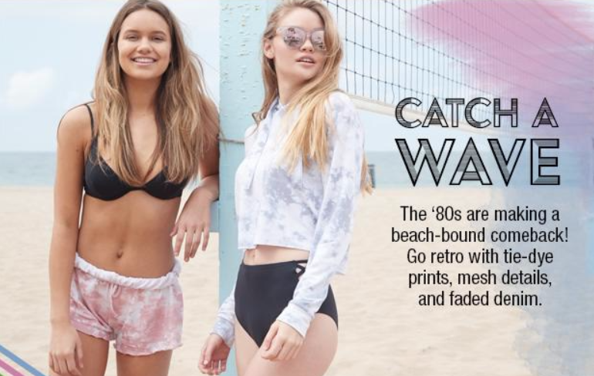
Link to: | http://www.garageclothing.com/ca/community/surf-lookbook/
Secondary Message
Everything’s better with FREE SHIPPING over $50
SUMMER STYLE FACEOFF CONTEST
Watch the video and enter our contest to win an outfit worn by one of our 5 favorite YouTubers!
CTA : Check it out>
Link to: | https://goo.gl/AoGSDt

Canada FR
E-Letter Canada FR |  | GO LIVE: Friday, June 6, 10AM | AUDIENCE: ENGAGED

Campaign Name | GRG_CA_TRE_LB_9-6-2017_10h00
SUBLINE 1 | Surfe sur la vague! 🌊
SUBLINE 2 | NOUVEAU GUIDE DE LOOKS + CONCOURS!!!
TOP BANNER
Gâte-toi! Livraison gratuite à l'achat de 40 $ et +
 | LIVRAISON STANDARD GRATUITE SUR LES COMMANDES DE 40 $ ET PLUS Pour une durée limitée, Garage offre la LIVRAISON STANDARD GRATUITE* sur toutes les commandes en ligne de 40 $ et plus, après les rabais et avant les taxes. Le coût de la livraison sera automatiquement soustrait au moment de passer la commande, pour toutes les commandes admissibles. Cette offre de livraison ne s'applique pas aux commandes expédiées au Nunavut, au Yukon, aux Territoires du Nord-Ouest ni aux régions à l'extérieur de la zone continentale des États-Unis. Cette offre peut être combinée à d’autres offres ou promotions de la marque. Aucun code de coupon n'est nécessaire.
Primary Message
 | 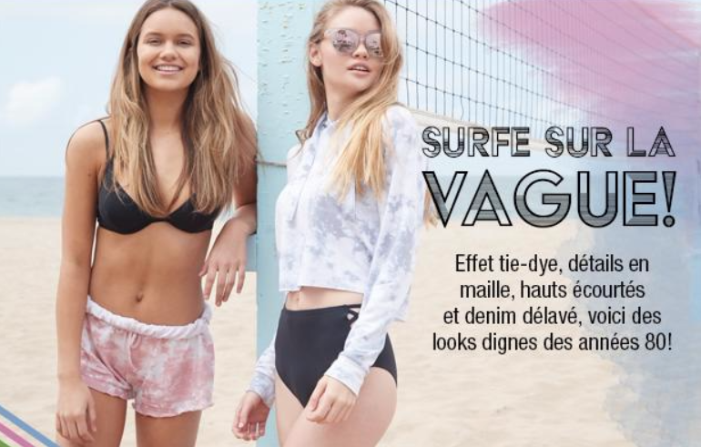
Link to: | http://www.garageclothing.com/fr-ca/community/surf-lookbook
Secondary Message
Everything’s better with FREE SHIPPING over $50
CONCOURS « DUELS DE LOOKS D’ÉTÉ »
Visionne la vidéo et inscris-toi au concours pour courir la chance de gagner une tenue portée par une de nos 5 youtubeuses préférées!
CTA : Par ici>
Link to: | https://goo.gl/SGxAQV

USA
E-Letter USA |  | GO LIVE: Friday, June 6, 10AM | AUDIENCE: ENGAGED

Campaign Name | GRG_US_TRE_LB_9-6-2017_10h00
SUBLINE 1 | Surf's UP. COWABUNGAAAA 🌊
SUBLINE 2 | NEW LOOKBOOK + CONTEST!!!
TOP BANNER
Everything’s better with FREE SHIPPING over $50
Treat yourself! FREE SHIPPING over $40
 | FREE STANDARD SHIPPING ON ORDERS $40+ For a limited time, Garage is offering FREE STANDARD SHIPPING* on all online orders of $40 and more, after applied discounts and before taxes. The cost for shipping will automatically be deducted at checkout for all eligible orders. This offer does not apply to orders being shipped to Nunavut, Yukon, the Northwest Territories or areas outside of continental USA. This offer may be combined with other offers and brand promotions. No coupon code necessary.
Primary Message

Link to: | http://www.garageclothing.com/us/community/surf-lookbook
Secondary Message
Everything’s better with FREE SHIPPING over $50
SUMMER STYLE FACEOFF CONTEST
Watch the video and enter our contest to win an outfit worn by one of our 5 favorite YouTubers!
CTA : Check it out>
Link to: | https://goo.gl/AoGSDt

